Sheet1
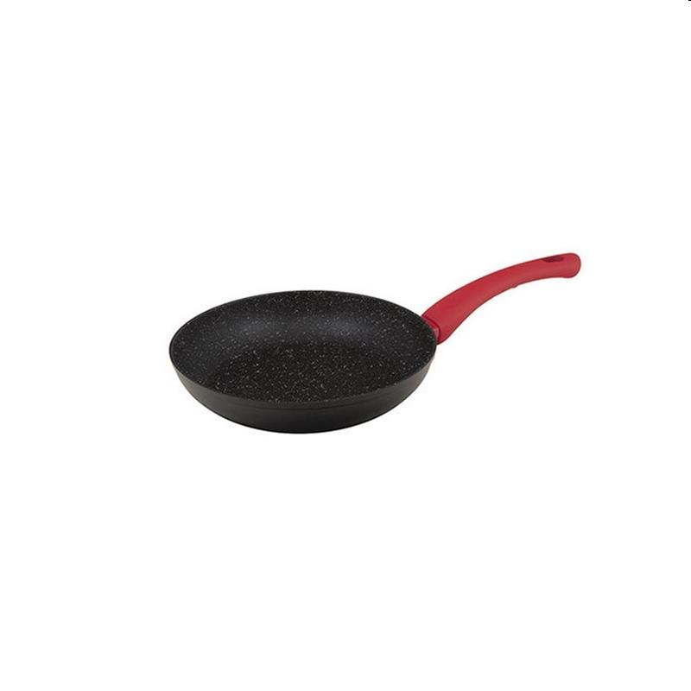
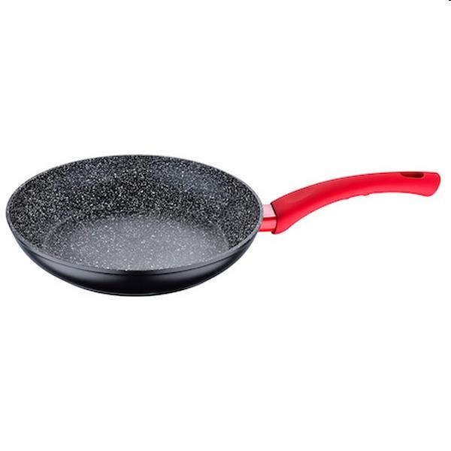
Picture | Item code | Description | Extra information | Restriction | Stock | Sales price EXW | Retail price | Barcode | Quantity PU | Quantity pallet | Pallet | Origin | Customs code | Item weight | Languages on package | Group
 | 20546 | San Ignacio, Frypan 18cm Aluminium Induction Toledo | SG-6277 |  | 300 | 4.79 | 14.4 | 6941349526773 | 6 | 540 | Wegwerppallet 120x80 | CN | 7615108000 | 300 | pt en nl de fr | San Ignacio
 | 20523 | San Ignacio, Frypan 22cm Aluminium | SG-6264 |  | 300 | 5.9 | 17.47 | 6941349525080 | 6 | 432 | Wegwerppallet 120x80 | CN | 7615108000 | 500 | fr de pt nl es | San Ignacio

